Sheet1
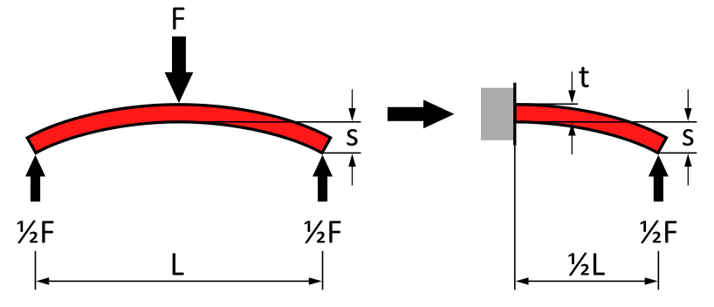
 | Lookup table with cases
 | Case | Force | Bending
 |  | F | s
 | [-] | [N] | [µm]
 | 1 | 1 | 5 |  |  |  | 2D table - not working |  |  |  |  |  |  |  |  |  | 1D table for current case in cell D17
 | 2 | 1 | 8
 | 3 | 1 | 10 |  |  |  |  | Case
 | 4 | 10 | 5 |  |  |  | 1419.0 | 1 | 2 | 3 | 4 | 5 | 6 | 7 | 8 | 9 |  | 1419.0
$$\begin{matrix}s & =\frac{\frac{1}{2}F∙{\left(\frac{1}{2}L\right)}^{3}}{3∙E∙I} \\ & =\frac{F∙L^{3}}{48∙E∙I}\end{matrix}$$
 | 5 | 10 | 8 |  |  | Length | 2.0 | 58.3 | 92.6 | 121.3 | 147.0 | 170.5 | 192.6 | 213.4 | 233.3 | 252.4 | 2.0 | 233.3
 | 6 | 10 | 10 |  |  |  | 2.5 | 58.3 | 92.6 | 121.3 | 147.0 | 170.5 | 192.6 | 213.4 | 233.3 | 252.4 | 2.5 | 271.2
 | 7 | 100 | 5 |  |  |  | 3.1 | 54.1 | 85.9 | 112.6 | 136.4 | 158.3 | 178.8 | 198.1 | 216.6 | 234.3 | 3.1 | 315.2
 | 8 | 100 | 8 |  |  |  | 3.9 | 54.1 | 85.9 | 112.6 | 136.4 | 158.3 | 178.8 | 198.1 | 216.6 | 234.3 | 3.9 | 366.4
$$I=\frac{1}{12}L∙t^{3}$$
 | 9 | 100 | 10 |  |  |  | 4.9 | 147.0 | 233.3 | 305.7 | 370.3 | 429.7 | 485.3 | 537.8 | 587.9 | 635.9 | 4.9 | 425.9
 |  |  |  |  |  |  | 6.2 | 116.7 | 185.2 | 242.6 | 293.9 | 341.1 | 385.2 | 426.9 | 466.6 | 504.7 | 6.2 | 495.0
$s=\frac{F∙L^{2}}{3∙E∙t^{3}}$
Calculations |  |  |  |  |  |  | 7.7 | 316.6 | 502.6 | 658.6 | 797.9 | 925.9 | 1045.5 | 1158.7 | 1266.6 | 1370.0 | 7.7 | 575.4
 |  | Engineering |  | SI |  |  | 9.7 | 251.3 | 398.9 | 522.8 | 633.3 | 734.9 | 829.8 | 919.6 | 1005.3 | 1087.4 | 9.7 | 668.8
$t=\sqrt[3]{\frac{F∙L^{2}}{3∙E∙s}}$
Case |  | 4 |  |  |  |  | 12.2 | 251.3 | 398.9 | 522.8 | 633.3 | 734.9 | 829.8 | 919.6 | 1005.3 | 1087.4 | 12.2 | 777.4
Length | L | 30 | mm | 0.03 | m |  | 15.2 | 251.3 | 398.9 | 522.8 | 633.3 | 734.9 | 829.8 | 919.6 | 1005.3 | 1087.4 | 15.2 | 903.6
Force | F |  |  | 10 | N |  | 19.1 | 251.3 | 398.9 | 522.8 | 633.3 | 734.9 | 829.8 | 919.6 | 1005.3 | 1087.4 | 19.1 | 1050.3
Bending | s | 5 | µm | 0.000005 | m |  | 23.9 | 251.3 | 398.9 | 522.8 | 633.3 | 734.9 | 829.8 | 919.6 | 1005.3 | 1087.4 | 23.9 | 1220.8
 |  |  |  |  |  |  | 30.0 | 251.3 | 398.9 | 522.8 | 633.3 | 734.9 | 829.8 | 919.6 | 1005.3 | 1087.4 | 30.0 | 1419.0
Youngs modulus | E | 210 | GPa | 210000000000 | Pa
Thickness | t | 1419.0 | µm | 0.001418983412 | m

